Conversion Tables
Markup Calculator & Gross Profit Guide (+ Quick Conversion Charts)

Use the following reference charts to easily convert between Gross Profit and Markup as you estimate costs and pricing for individual jobs.
Use the following (orange) chart to see the markup required to achieve the Gross Profit shown in the first column:
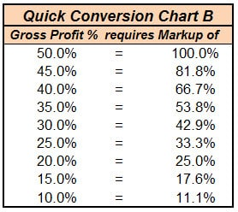

Use this (green) chart to show what your Gross Profit will be if you mark up the amount shown in the first column:
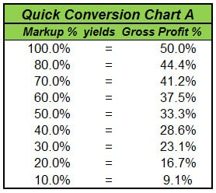

Tip from Diane: Many of our clients and subscribers like to print these charts in color. To keep them at hand, they often place them in sheet protectors or laminate them!

Use this overview reporting example to help check your company-wide Gross Profit. If you divide your profit by the Cost of Production, you can then compute what your average Markup has been.

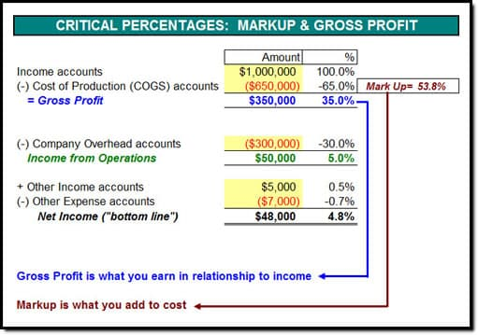

Have you been charging enough?

